Sayfa1
Subject | User Story | Test Case | Test Name | Description | Step Number | Step Description | Expected Results | Actual Result | Author | Execution Date | Status | Test Type | Comments/Evidence
ABC Create Project | KEM-21 Create projects inside each workspace | 1 | Test: Validate new project with valid values | Pre requirements: set up with valid account Expected results: as a user I should be able to create multiple projects | Step 1 | Given I login with valid credentials | User should be able to login | User logs in successfully | KA | 2021-11-06 | Passed | Manual
 |  |  |  |  | Step 2 | Then User validates project title is visible | User should be able to see projects after login | project is visible after login | KA | 2021-11-06 | Passed | Manual
ABC Create Project | KEM-21 Create projects inside each workspace | 2 | Test: Validate new project with valid values | Negative Scenario PreRequirements: Set up with valid account Expected results: as a user I should be able to verify with more than 2 characters for create project | Step 1 | Given I login with valid credentials | User should be able to see "the name is too short" message when user passes to the other tab | User can see error message | ka | 2021-11-06 | Passed | Manual | 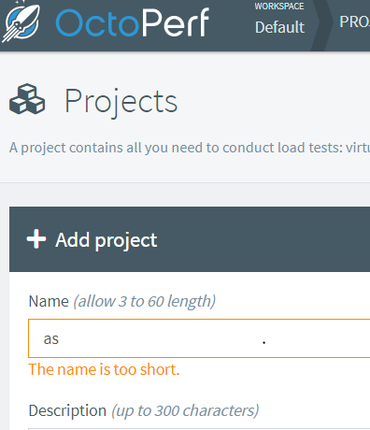
 |  |  |  | Negative Scenario PreRequirements: Set up with valid account Expected results: as a user I should be able to verify with less than 60 characters for create project | Step 2 | Given I login with valid credentials | User should be able to see "the name is too long" message when user passes to the other tab | User can see error message | ka | 2021-11-06 | Passed | Manual | 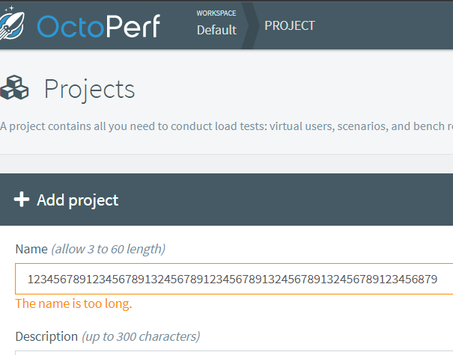
 |  |  |  | Negative Scenario PreRequirements: Set up with valid account Expected results: as a user I should be able to verify with less than 300 characters in description for create project | Step 3 | Given I login with valid credentials | User should be able to see "the description is too long" message when user passes to the other tab | User can see error message | ka | 2021-11-06 | Passed | Manual | 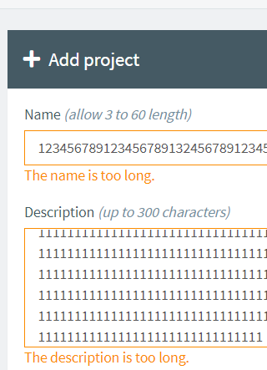
 |  |  |  | PreRequirements: Set up with valid account Expected results: as a user I should be able to verify with creating a tag for create project | Step 4 | Given I login with valid credentials | User should be able to see projects table when user presses submit button | User can see projects list | ka | 2021-11-06 | Passed | Manual
ABC Create Project | KEM-21 Delete projects inside each workspace | 3 | Test: Validate existing projects deleted | PreRequirements: Set up with valid account Expected results: as a user I should be able to verify projects created under workspace are deleted | Step 1 | Given I login with valid credentials | User should be able to see projects are deleted when "delete project" clicked | User can see project is deleted | ka | 2021-11-06 | Passed | Manual

